Icewind Dale
I C E W I N D D A L E C H E C K L I S T
 | Completion: | 0.00%
Based on Mike's RPG Center |  |  |  |  |  | last updated: 2017.07.19
Done | Quest | Description | Giver | Done | Quest | Description | Giver
Main Quests
Prologue: Easthaven |  |  |  | Chapter 4: Dorn's Deep
FALSE | Finish Prologue | Continue east through the pass and you will eventually reach Kuldahar. | Your party will be greated by Hrothgar in the Winter's Cradle Tavern in Easthaven. | FALSE | Finish Chapter 4 | Return to the Hall of Heroes and use the forge key to open the door to Wyrm's Tooth Glacier. | Defeat the Neo Orogs guarding Dorn's Deep and enter inside.
Chapter 1: The Vale of Shadows |  |  |  | Chapter 5: Wyrm's Tooth Glacier
FALSE | Finish Chapter 1 | Leave Kuldahar and go east to Dragon's Eye. | At the entrance of Kuldahar you will be greeted by a young boy named Nate. | FALSE | Finish Chapter 5 | Enter the stairs in the northeast corner of the main glacier area. | Enter the Frozen Temple in the center of the first area.
Chapter 2: Dragon's Eye |  |  |  | Chapter 6: Lower Dorn's Deep
FALSE | Finish Chapter 2 | Leave Kuldahar and journey to the Severed Hand. | When you arrive at Dragon's Eye, you will first have to fight off some ice trolls. | FALSE | Finish Chapter 6 | Once you finally defeat Poquelin, peace will return to Icewind Dale. | In order to reach Poquelin's chamber in Lower Dorn's Deep, you need to find four more badges from his followers
Chapter 3: The Severed Hand
FALSE | Finish Chapter 3 | Either travel do Dorn's Deep yourself or allow Larrel to send you there. | At the entrance to the Severed Hand, you will see a Larrel's Sending confonting a squirrel thinking it is one of the dwarves that betrayed the elves.

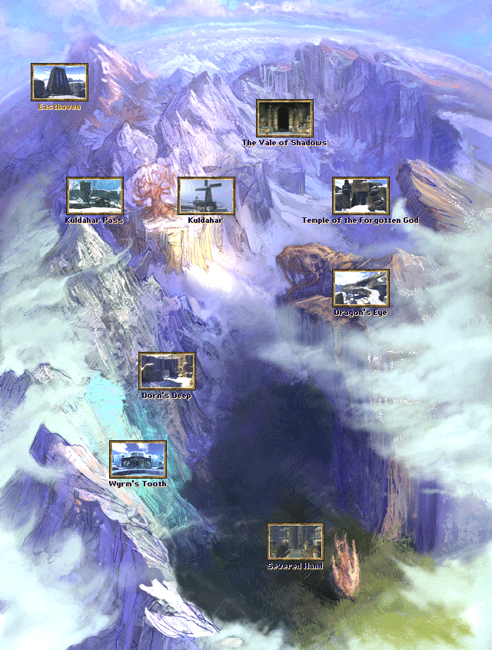
Prologue
Easthaven |  |  |  | East of Easthaven
FALSE | Explore 100% | Explore the entire map. |  | FALSE | Explore 100% | Explore the entire map.
Side Quests |  |  |  | Orc Cave
FALSE | Bugs in the Cellar | Go down into the cellar of the tavern and defeat the beetles. | Grisella | FALSE | Explore 100% | Explore the entire map.
FALSE | The Wolf | Kill a wolf inside his shop. | Apsel | Kuldahar Pass
FALSE | The Drunken Fisherman | Fetch some wine for him. | Old Jed | FALSE | Explore 100% | Explore the entire map.
FALSE | Damien | Go south and defeat the goblins. | Damien | Side Quests
FALSE | Elisia's Song | Give the Shattered Sword of Aihonen to Jhonen. | Jhonen | FALSE | Ogre with a Headache | Tell Arundel the druid in Kuldahar about him. | Ghereg
 |  |  |  | FALSE | The Mill | Enter the mill and defeat the goblins and orcs. Speak to Jermsy. | The mill in Kuldahar Pass

Technical Section
This section is used for technical reasons. Do not touch anything or it may cause issues.
TRUE | Let this checkbox checked (return TRUE) |  |  | Overall
FALSE | Let this checkbox unchecked (return FALSE) |  |  | Task completed |  |  | 0
 |  |  |  | Task remaining |  |  | 18
 |  |  |  | Completed |  |  | 0.00%

